Countries_Regions
 |  |  |  | <<-------- Scroll left to view the sample content
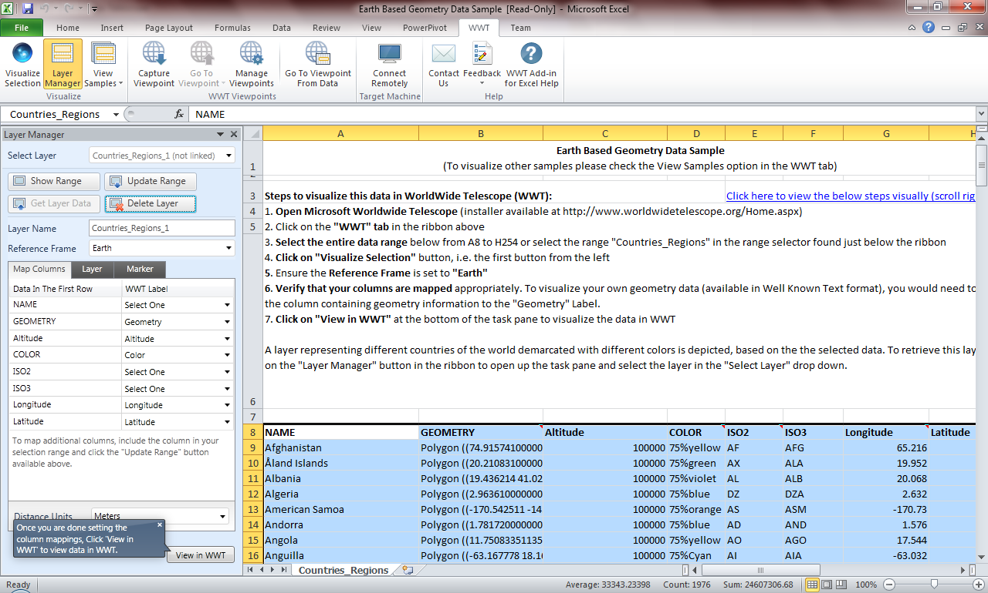
Step 2: Click on the "WWT" tab in the ribbon
Step 3: Select the data range "Countries_Regions" from the range selector here.
You may also select the range using a keyboard short cut. Select the first cell (top left) in the data range (A8) then press Ctrl (hold) + Shift(hold) + Right Arrow key+Down Arrow key
Step 4: Click on "Visualize Selection" button after the data range is selected
Step 5: Ensure the Reference Frame is set to "Earth"
Step 6: Verify that your columns are mapped correctly
Step 7: Click on "View in WWT" to visualize the data in WWT
Step 1: Open the Microsoft WorldWide Telescope application
Click here to view the below steps visually (scroll right ---->>)
...
ISO2 | ISO3 | Longitude | Latitude
AF | AFG | 65.216 | 33.677
AX | ALA | 19.952 | 60.198
AL | ALB | 20.068 | 41.143
DZ | DZA | 2.632 | 28.163
AS | ASM | -170.73 | -14.318
AD | AND | 1.576 | 42.549
AO | AGO | 17.544 | -12.296
AI | AIA | -63.032 | 18.237
AQ | ATA | 21.304 | -80.446
AG | ATG | -61.783 | 17.078
AR | ARG | -65.167 | -35.377
AM | ARM | 44.563 | 40.534
AW | ABW | -69.977 | 12.517
AU | AUS | 136.189 | -24.973
AT | AUT | 14.912 | 47.683
AZ | AZE | 47.395 | 40.43
BS | BHS | -78.014 | 24.628
BH | BHR | 50.562 | 26.019
BD | BGD | 89.941 | 24.218
BB | BRB | -59.559 | 13.153
BY | BLR | 28.047 | 53.54
BE | BEL | 4.664 | 50.643
...

